Sonic Nintendo Inventory
Sonic Nintendo Super Mario Inventory

Pick & Choose

Quantity: 64,599 units

Price: As Shown Below, Ex Warehouse Los Angeles CA.

Subject to change and prior sale.

Image | Item# | Description | Pack | IN | Origin | Qty On Order | UPC | UCC | Case Size | Wt | Cube | Tie | Hi | Item Size | Item Wt | # Units | Price
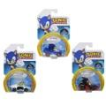 | 412294 | Sonic 1:64 Die-cast Vehicles Asst on blister card. - Wave 2 | 8 |  | China |  | 192995409217; Silver (2) 192995409224; Shadow (2) 192995409194; Sonic (4) | 50192995409212 | 8" x 7" x 5" | 1 | 0.16 | 45 | 13 | 4" x 1.75" x 6" | 1.3 | 1,873 | $3.25
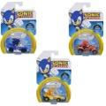 | 414854 | Sonic 1:64 Die cast Vehicles 3 Asst - Wave 3 on blister card | 8 |  | China |  | 192995409200; Tails (2) 192995414877; Knuckles (2) 192995414860; Sonic (4) | 50192995409205 | 9" x 7" x 5" | 1 | 0.18 | 45 | 13 | 3.75" x 1.75" x 6" | 3.5 | 1,488 | $3.25
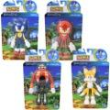 | 55020 | Sonic the Hedgehog Bendem on card | 12 |  | China |  | 686141550224; (2) Tails 686141550248; (2) Knuckles 686141550231; (2) Dr. Eggman 686141550217; (6) Sonic | 50686141550229 | 14" x 6" x 9" | 3 | 0.44 | 24 | 10 | 4.5" x 1" x 8" | 2.8 | 2,772 | $3.85
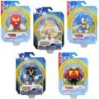 | 414344 | Sonic 2.5" Figures Wave 8 on blister card - 5 asst | 12 |  | China |  | 192995414365; Knuckles (1) 192995414358; Dr.Eggman (1) 192995406889; Tails (1) 192995403789; Shadow (2) 192995406872; Sonic (7) | 50192995414360 | 9" x 7" x 9" | 2 | 0.33 | 30 | 10 | 3.75" x 2" x 5.5" | 2 | 2,213 | $4.02
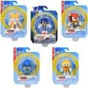 | 414374 | Sonic 2.5" Figures Wave 9 on blister card - 5 asst | 12 |  | China |  | 192995408913; Mighty (1) 192995414396; Ray (1) 192995414389; Metal sonic (1) 192995412149; Tails (2) 192995403772; Sonic (7) | 50192995408918 | 9" x 7" x 9" | 2 | 0.33 | 30 | 10 | 3.75" x 2" x 5.5" | 2 | 2,274 | $4.02
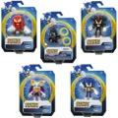 | 415684 | Sonic 2.5" Figures Wave 10 on blister card - 5 asst | 12 |  | China |  | 192995415669; (1) Rouge 192995403789; (1) Shadow 192995415676; (1) Dark chao 192995403710; (2) Knuckles 192995403703; (7) Sonic | 50192995415664 | 9" x 7" x 9" | 2 | 0.33 | 15 | 9 | 3.75" x 2" x 5.5" | 1.3 | 1,701 | $4.02
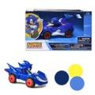 | 6416 | Sonic All Stars Racing Transformed | 12 |  | China |  | 698143064166 | 50698143064161 | 15" x 12" x 7" | 3 | 0.73 | 15 | 8 | 6.25" x 3.5" x 3.5" | 3.35 | 800 | $4.35
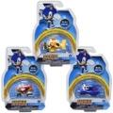 | 6420 | 1/64 Diecast Asst (Sonic, Knuckles & Tails) | 12 |  | China |  | 698143064227; Knuckles (3) 698143064241; Tails (3) 698143064210; Sonic (6) | 50698143064222 | 20" x 8" x 7" | 3 | 0.65 | 14 | 12 | 5.75" x 2.5" x 7.75" | 3.6 | 666 | $4.68
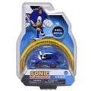 | 6421 | Sonic Diecast 1/64 | 12 |  | China |  | 698143064210 | 50698143064215 | 20" x 9" x 7" | 3 | 0.73 | 14 | 10 | 5.75" x 2.5" x 8.75" | 3.6 | 538 | $4.68
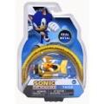 | 6424 | Sonic Diecast 1/64 | 12 |  | China |  | 698143064241 | 50698143064246 | 20" x 9" x 7" | 3 | 0.73 | 14 | 10 | 5.75" x 2.5" x 7.75" | 3.1 | 394 | $4.68
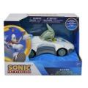 | 648 | Sonic Pull Back Racer Silver | 12 |  | China |  | 698143006487 | 50698143006482 | 24" x 17" x 9" | 8 | 2.13 | 5 | 10 | 8" x 5.25" x 5.75" | 7.7 | 730 | $7.15
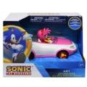 | 649 | Sonic Pull Back Racer Amy Rose | 12 |  | China |  | 698143006494 | 50698143006499 | 24" x 17" x 9" | 8 | 2.13 | 5 | 10 | 8" x 5.25" x 5.75" | 8.2 | 790 | $7.15
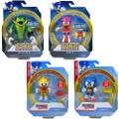 | 414414 | Sonic 4" Articulated Figures with accessory on blister card Wave 10 - 4 asst | 6 |  | China |  | 192995414297; (1) Vector 192995409026; (1) Amy 192995414266; (1) Ray 192995414846; (3) Sonic | 50192995414292 | 14" x 10" x 8" | 5 | 0.65 | 15 | 9 | 7" x 3.25" x 9" | 5 | 226 | $8.25
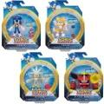 | 411184 | Sonic 4" Articulated Figures with accesory Asst on blister card- Wave 7 | 6 |  | China |  | 192995412361; Tails (1) 192995412194; Silver (1) 192995412200; E-123 Omega (1) 192995412354; Sonic (3) | 50192995412366 | 14" x 10" x 8" | 3 | 0.65 | 14 | 10 | 7" x 3.25" x 9" | 4.4 | 40 | $8.31
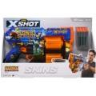 | 36583 | Zuru X-Shot Sonic Dread with 12 darts in open box | 6 |  | China |  | 193052047526 | 50193052047521 | 16" x 12" x 18" | 10 | 2 | 10 | 5 | 16.5" x 2.5" x 10.5" | 22 | 419 | $12.05
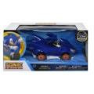 | 681 | Sonic R/C Vehicle All Star Racing | 6 |  | China |  | 698143006814 | 50698143006819 | 14" x 11" x 11" | 5 | 0.98 | 11 | 8 | 10" x 4.25" x 5" | 12 | 446 | $14.08
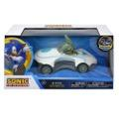 | 682 | Sonic Silver RC Vehicle Team Racing | 6 |  | China |  | 698143006821 | 50698143006826 | 14" x 11" x 11" | 5 | 0.98 | 11 | 8 | 10" x 4.25" x 5" | 11 | 568 | $14.08
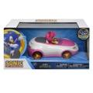 | 683 | Sonic Amy R/C Vehicle Team Racing | 6 |  | China |  | 698143006838 | 50698143006833 | 14" x 11" x 11" | 5 | 0.98 | 11 | 8 | 10" x 4.25" x 5" | 12 | 568 | $14.08
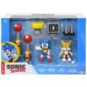 | 409254 | Sonic 2.5" Diorama Playset with accessories | 6 |  | USA |  | 192995409255 | 50192995409250 | 17" x 11" x 8" | 5 | 0.86 | 10 | 12 | 10" x 2.75" x 7" | 6.3 | 407 | $15.68
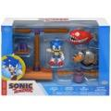 | 414424 | Sonic 2.5" Diorama Set- Flying Batter Zone in window box | 6 |  | China |  | 192995414426 | 50192995414421 | 17" x 11" x 8" | 5 | 0.86 | 14 | 8 | 10" x 2.75" x 7" | 11 | 380 | $16.45
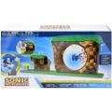 | 403934 | Sonic Green Hill Zone Playset in closed box | 6 |  | China |  | 192995403932 | 50192995403937 | 18" x 15" x 9" | 10 | 1.36 | 6 | 10 | 14" x 3" x 8" | 23 | 50 | $16.49
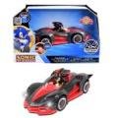 | 602 | Sonic Racing 2.4Ghz Remote Controlled Car with Turbo Boost - Shadow | 6 |  | China |  | 698143006029 | 50698143006024 | 17" x 16" x 13" | 10 | 2.05 | 8 | 5 | 11.5" x 5.25" x 7.75" | 22 | 139 | $20.85
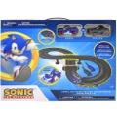 | 622 | SART Sonic & Shadow Slot Car | 4 |  | China |  | 698143006227 | 50698143006222 | 20" x 12" x 17" | 14 | 2.36 | 8 | 5 | 19.5" x 2.75" x 15.5" | 50 | 388 | $24.15
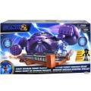 | 412734 | Sonic 2- 2.5" Figure and Battle Playset in closed box | 2 |  | China |  | 192995412736 | 50192995412731 | 17" x 9" x 10" | 5 | 0.88 | 12 | 9 | 16" x 4" x 9" | 33 | 98 | $24.15
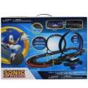 | 625 | SART Super Loop Race Set Sonic VS Shadow | 4 |  | China |  | 698143006218 | 50698143006215 | 22" x 15" x 18" | 20 | 3.44 | 5 | 5 | 21.5" x 3.5" x 17" | 74 | 139 | $41.75
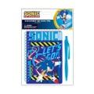 | 714424SNC | Sonic Spiral Notebook with Pen in Poly Bag with Header 50 Sheets | 144 | 12 |  | 1/26/2023: 3600 3/15/2023: 3600 | 191537144241 | 50191537144246 |  |  | 1.28 |  |  |  |  | (1,023) | $0.83
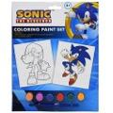 | 714420SNC | Sonic Poster Paint Set | 24 | 12 |  | 1/18/2023: 3600 3/15/2023: 3600 | 191537144203 | 50191537144208 |  |  | 0.36 |  |  |  |  | (797) | $0.94
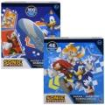 | 63117 | Sonic the Hedgehog 48pc & 100pc Puzzle | 12 |  | China |  | 686141631183; (6) puzzles 48pc 686141631190; (6) puzzles 100pc | 50686141631188 | 10" x 9" x 15" | 4 | 0.78 | 20 | 6 | 7" x 1.5" x 8.25" | 5.6 | 4,661 | $1.05
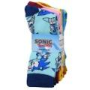 | XS87ZNSEG1R00 | Sonic 5pk Crew Sock Size 10-13 | 36 | 12 | China |  | 196179334456 | 50196179334451 | 21" x 19" x 9" | 20 | 2.08 | 10 | 5 | 3.25" x 2.5" x 9.25" | 8.6 | 71 | $2.75
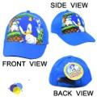 | ECSO3032UP | No Online Sonic Kids Baseball Hat with Hangtag | 72 | 6 | China |  | 888783765862 | 50888783765867 | 22" x 8" x 12" | 9 | 1.22 | 10 | 8 | 6" x 4" x 10" | 1.7 | 896 | $3.25
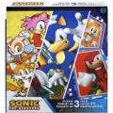 | 18583 | Sonic Kids 3pk Puzzles | 6 |  | China |  | 686141185839 | 50686141185834 | 13" x 13" x 11" | 7 | 1.07 | 12 | 8 | 10" x 2" x 12" |  | 2,883 | $3.58
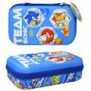 | 714423SNC | Sonic Molded Pencil Case | 12 |  |  | 1/26/2023: 2400 3/15/2023: 2400 | 191537144234 | 50191537144239 |  |  | 0.82 |  |  |  |  | (242) | $3.58
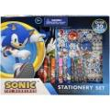 | 714425SNC | Sonic 30pc Stationery Set in Box | 12 |  |  | 1/26/2023: 1800 3/15/2023: 1800 | 191537144258 | 50191537144253 |  |  | 1.81 |  |  |  |  | (362) | $3.96
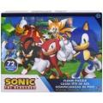 | 3119 | Sonic the Hedgehog Floor Puzzle | 6 |  | China |  | 686141031198 | 50686141031193 | 13" x 13" x 11" | 9 | 1.07 | 12 | 7 | 12" x 2" x 10" | 21 | 3,232 | $4.35
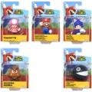 | 411464 | Nintendo Mario 2.5" Limited Articulation Figure on blister card Wave 37 -5 asst | 16 |  | China |  | 192995405370; Goomba (2) 192995405523; Chain c (3) 039897914282; Cat toad (3) 192995411470; Toadette (4) 192995401174; Raccoon mario (4) | 50192995405375 | 17" x 8" x 5" | 2 | 0.39 | 24 | 12 | 3.75" x 2" x 5.5" | 1.3 | 2,608 | $3.30
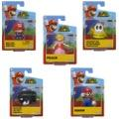 | 415764 | Nintendo Mario 2.5" Limited Articulation Figure on blister card Wave 38 -5 asst | 16 |  | China |  | 039897854861; (2) Bullet bill 192995415812; (2) Baby mario 039897867366; (3) Peach 192995415805; (3) Yellow shy guy 192995405394; (6) Mario | 50039897854866 | 17" x 8" x 5" | 3 | 0.39 | 24 | 12 | 3.75" x 1.75" x 5.5" | 1 | 2,398 | $3.30
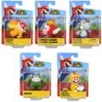 | 411434 | Nintendo Mario 2.5" Limited Articulation Wave 36 | 16 |  | China |  | 192995401112; Cheep cheep (2) 192995411449; Boom boom (3) 192995412132; Spike (3) 039897914244; Cat mario (4) 192995411456; White yoshi (4) | 50192995401117 | 17" x 8" x 5" | 2 | 0.39 | 24 | 12 | 3.75" x 2" x 5.5" | 2.2 | 2,279 | $4.02
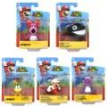 | 415774 | Nintendo 2.5" Limited Articulation Figure on blister card Wave 39 -5 asst | 16 |  | China |  | 192995404533; (2) Lemmy 192995405523; (2) Chain chomp 192995415799; (3) Purple Yoshi 192995415836; (3) Birdo 192995415843; (6) Fire Mario | 50192995404538 | 16" x 8" x 5" | 2 | 0.37 | 22 | 12 | 3.75" x 2" x 5.5" | 1.6 | 3,530 | $4.35
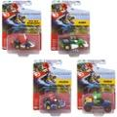 | 403034 | Nintendo Super Mario Tape Racers Vehicles Only Wave 5 | 8 |  | China |  | 192995403031; Shy guy (1) 039897577432; Luigi (2) 039897386058; Yoshi (2) 039897577425; Mario (3) | 50192995403036 | 10" x 7" x 6" | 1 | 0.24 | 32 | 13 | 4.5" x 2.25" x 6" | 1.5 | 729 | $4.39
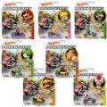 | GBG25956W | Mattel DP Hot Wheels Mario Kart Replica Diecast | 8 |  | Thailand |  | 887961714470; (1) Toad 887961847789; (1) Yoshi 887961714456; (1) Luigi 887961908411; (1) Bowser 194735018949; (1) Baby peach 887961811520; (1) Donkey kong 194735018994; (2) Mario | 50887961714475 | 7" x 6" x 6" | 1 | 0.15 | 49 | 15 | 5.5" x 1.5" x 6.5" | 1.9 | 504 | $5.20
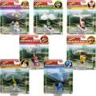 | GVD30956G | Mattel DP Hot Wheels Mario Kart Glider Asst | 8 |  | Thailand |  | 194735019137; (2) Mario 194735019076; (1) Wario 887961923230; (1) Luigi 887961923209; (1) Bowser 887961923216; (1) Toad 194735019106; (1) Lakitu 194735019090; (1) Blue yoshi | 50194735019132 | 13" x 9" x 7" | 3 | 0.47 | 21 | 10 | 5.5" x 3" x 6.5" | 3.6 | 83 | $6.99
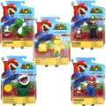 | 413744 | Super Mario 4" Figures Wave 29 on blister card - 5 asst | 12 |  | China |  | 192995415409; Koopa troopa (1) 192995415416; Yoshi (2) 039897726328; Piranha plant (2) 192995408227; Luigi (3) 192995415423; Mario (4) | 50192995415404 | 16" x 13" x 8" | 5 | 0.96 | 15 | 7 | 6.5" x 2.5" x 9" | 4.6 | 1,545 | $7.15
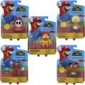 | 413754 | Super Mario 4" Figures Wave 30 on blister card - 5 asst | 12 |  | China |  | 192995415454; (1) Shy guy 192995415430; (2) Wendy 192995407329; (2) Goomba 192995415461; (3) Yellow toad 192995415447; (4) Ice Mario | 50192995415459 | 17" x 13" x 8" | 7 | 1.03 | 15 | 7 | 6.5" x 2.5" x 9" | 4.6 | 3,118 | $7.15
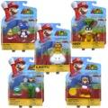 | 413764 | Super Mario 4" Figures Wave 31 on blister card - 5 asst | 12 |  | China |  | 039897726656; (1) Lakitu 192995405592; (2) Iggy 192995415485; (3) Cat toad 192995414044; (3) Ice luigi 192995408241; (3) Penguin mario | 50039897726651 | 17" x 13" x 8" | 5 | 1.03 | 14 | 7 | 6.5" x 2.5" x 9" | 4 | 3,501 | $7.15
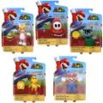 | 411774 | Super Mario 4" Single Figures asst in blister card- Wave 28 | 12 |  | China |  | 039897914381; Shy guy (2) 192995403123; Piranha plant (2) 192995411791; Koopa troopa (2) 192995411753; Cat peach (3) 192995405608; Mario raccoon (3) | 50039897914386 | 16" x 13" x 8" | 5 | 0.96 | 14 | 7 | 6.5" x 2.5" x 9" | 5.1 | 82 | $8.31
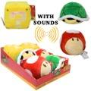 | 413944PQ | Nintendo SFX Plush in PDQ with hangtag - 3 asst | 6 |  | China | 3/15/2023: 720 | 192995413948 | 50192995413943 | 17" x 12" x 6" | 3 | 0.71 | 18 | 8 | 4.5" x 4.5" x 5" | 5.5 | 293 | $10.18
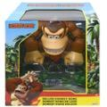 | 761984L | Super Mario 6" Figure in window box- Donkey Kong | 4 |  | China |  | 039897761985 | 50039897761980 | 15" x 8" x 16" | 5 | 1.11 | 15 | 6 | 7.25" x 7" x 7.5" | 17 | 236 | $13.15
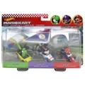 | HDB37956A | Mattel DP Hot Wheels Mario Kart Glider 3-Pack | 2 |  | Thailand |  | 194735019045 | 50194735019040 | 10" x 4" x 11" | 1 | 0.25 | 55 | 8 | 10.2" x 3" x 6.5" | 8.9 | 5,607 | $13.75
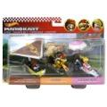 | HDB37956B | Mattel DP Hot Wheels Mario Kart Glider 3-Pack | 2 |  | Thailand |  | 194735019069 | 50194735019064 | 10" x 4" x 11" | 1 | 0.25 | 16 | 24 | 10.2" x 3" x 6.5" | 9 | 695 | $13.75
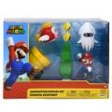 | 400164 | Nintendo Super Mario Underwater Diorama includes 3 figures & 2 Accessories | 6 |  | China |  | 192995400160 | 50192995400165 | 18" x 11" x 9" | 4 | 1.03 | 10 | 10 | 10" x 3" x 7" | 9 | 480 | $14.25
 | 411804 | Nintendo Mario 2.5 Switchback Hill Diorama Set | 6 |  | China |  | 192995411807 | 50192995411802 | 18" x 11" x 9" | 5 | 1.03 | 10 | 10 | 10" x 2.75" x 7" | 10 | 391 | $14.25
 | 404264 | Nintendo Super Mario 2.5" Underground Diorama in window box | 6 |  | China |  | 192995404267 | 50192995404262 | 17" x 11" x 8" | 5 | 0.86 | 10 | 12 | 10" x 2.75" x 7" | 10.7 | 139 | $14.25
 | 859894L | Nintendo Super Mario 2.5" Dungeon Diorama Set in window box | 6 |  | China |  | 039897859897 | 50039897859892 | 17" x 11" x 8" | 4 | 0.86 | 10 | 12 | 10" x 2.75" x 7" | 9 | 173 | $14.25
 | 400154 | Nintendo Super Mario 2.5" Lava Castle Diorama in window box | 6 |  | China |  | 192995400153 | 50192995400158 | 17" x 11" x 8" | 4 | 0.86 | 10 | 6 | 10" x 2.75" x 7" | 8.7 | 107 | $14.25
 | 413654 | Nintendo Mario 2.5" Sparkling Waters Diorama Set in window box | 6 |  | China |  | 192995413658 | 50192995413653 | 17" x 11" x 8" | 5 | 0.86 | 10 | 6 | 10" x 2.75" x 7" | 10 | 652 | $14.25
 | 400174 | Nintendo Super Mario Lava Castle Playset with 2.5" Fire Mario | 6 |  | China |  | 192995400177 | 50192995400172 | 17" x 15" x 10" | 8 | 1.48 | 10 | 6 | 14" x 2.75" x 8" | 18 | 141 | $14.85
 | 400182 | Nintendo Super Mario Underwater Playset includes 2.5" Mario | 6 |  | China |  | 192995400184 | 50192995400189 | 18" x 15" x 10" | 8 | 1.48 | 10 | 6 | 14" x 2.75" x 8" | 22 | 301 | $14.85
 | 411484 | Nintendo Mario 2.5" Switchback Hill Playset | 6 |  | China |  | 192995411487 | 50192995411482 | 18" x 15" x 9" | 9 | 1.41 | 12 | 6 | 14" x 2.75" x 8" | 20 | 648 | $14.85
 | 406184 | Nintendo Super Mario 2.5" Desert Playset in window box | 6 |  | China |  | 192995406186 | 50192995406181 | 17" x 15" x 9" | 8 | 1.33 | 10 | 6 | 14" x 2.75" x 8" | 17 | 679 | $14.85
 | 402004 | Nintendo Super Mario 2.5" Cloud Playset in window box | 6 |  | China |  | 192995402003 | 50192995402008 | 17" x 15" x 9" | 8 | 1.33 | 10 | 6 | 14" x 2.75" x 8" | 25 | 649 | $14.85
 | 859914L | Nintendo Super Mario2.5" Acorn Plains Playset in window box | 6 |  | China |  | 039897859910 | 50039897859915 | 17" x 15" x 9" | 9 | 1.33 | 10 | 6 | 14" x 2.75" x 8" | 20 | 631 | $14.85
 | 413664 | Nintendo Mario 2.5" Sparkling Waters Playset in closed box | 6 |  | China |  | 192995413665 | 50192995413660 | 18" x 15" x 9" | 7 | 1.41 | 10 | 6 | 14" x 2.75" x 8" | 20 | 676 | $15.68
 | 644574L | Nintendo - Jumbo Basic Plush Luigi 19" | 4 |  | China |  | 039897644578 | 50039897644573 | 21" x 13" x 20" | 8 | 3.19 | 8 | 4 | 10" x 6" x 19" | 22 | 43 | $19.79
 | GWB36956E | Mattel DP Hot Wheels Mario Kart 4 Pack Assort. | 5 |  | Thailand |  | 194735018895 | 50194735018890 | 9" x 7" x 10" | 3 | 0.36 | 32 | 9 | 9" x 2.75" x 4.5" | 8.6 | 290 | $20.86
 | 413674 | Nintendo Mario 2.5" DLX Toad Playset in closed box | 6 |  | China |  | 192995413672 | 50192995413677 | 25" x 17" x 10" | 18 | 2.46 | 8 | 7 | 16" x 4" x 9" | 26 | 233 | $23.49
 | 789694L | Jakks Nintendo Super Mario Motorcycle | 2 |  | China |  | 039897789699 | 50039897789694 | 17" x 12" x 9" | 5 | 1.06 | 12 | 8 | 11.5" x 8" x 8.25" | 34.2 | 1,256 | $31.89
 | 704085MB | Mario 4 Sheet Sticker Pad, 200+ Stickers | 72 | 36 | China | 1/18/2023: 14400 4/30/2023: 12024 | 191537040857 | 50191537040852 | 10.3" x 6.7" x 6" | 8.03 | 0.23 | 28 | 16 | 5.75" x 0.10" x 9.5" | 1.65 | (5,203) | $0.65
 | 705563MB | Mario Poster Paint Set | 24 | 12 | China | 1/18/2023: 3600 3/28/2022: 3600 4/30/2023: 7200 | 191537055639 | 50191537055634 | 14" x 9" x 5" | 5 | 0.36 | 13 | 19 | 8.75" x .50" x 11.2" | 2.8 | (597) | $0.94
 | 710165MB | Mario 8x10" 6 Sheets Sticker Book in PDQ | 96 | 24 | China | 10/8/2021: 192 1/18/2023: 9600 4/30/2023: 14400 | 191537101657 | 50191537101652 | 11" x 10" x 11" | 20 | 0.7 | 14 | 8 | 8" x .10" x 10" | 2.9 | (103) | $1.05
 | 704325MB | Mario 7pc Calculator Set in Bag w/header | 12 |  | China |  | 191537043254 | 50191537043259 | 13" x 8" x 6" | 5 | 0.36 | 19 | 16 | 7" x .50" x 12" | 6.8 | 5,961 | $2.15
 | ASFOA5SSMBGS | Mario 5pk Ankle Sock Size 5-10 | 100 |  | China |  | 013244556141 | 50013244556146 | 20" x 19" x 14" | 28 | 3.08 | 7 | 5 | 3.5" x 2" x 8" | 4.2 | 297 | $2.75
 | ASF0A5TSMBGS | Mario 5pk Ankle Sock Size 5-10 | 100 |  | China |  | 013244556134 | 50013244556139 | 20" x 19" x 14" | 27 | 3.08 | 7 | 5 | 3.5" x 2" x 8.5" | 4 | 289 | $2.75
 | ASF0A5USMBGS | Mario 5pk Ankle Sock Size 5-10 | 100 |  | China |  | 013244556127 | 50013244556122 | 20" x 19" x 14" | 28 | 3.08 | 7 | 5 | 3.5" x 2" x 8" | 4.2 | 295 | $2.75
 | 712664MXSA | Mario, Jurassic, LOL Molded Pencil Case Asstd. | 6 |  | China |  | 191537126643; (2) Jurassic world 191537126643; (2) Mario 191537126643; (2) LOL | 50191537126648 | 17" x 10" x 6" | 2 | 0.59 | 18 | 9 | 8.5" x 2.5" x 5" | 3 | 114 | $3.58
 | K19Y00SMBUP | Mario 16" Backpack | 24 | 6 | China | 1/20/2023: 3600 | 196179357714 | 50196179357719 | 17" x 14" x 21" | 21 | 2.89 | 8 | 6 | 12" x 5" x 16" | 13 | (577) | $9.35
 |  |  |  |  |  |  |  |  |  |  |  |  |  |  |  | 64,599

